Sheet3
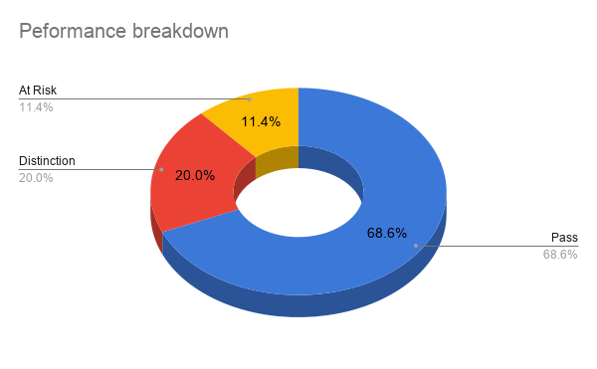
CHART 1:
Here, bar graph was chosen as it doesnt emit any data(like the name of the students). |  | Name | Total
This chart reveals that the student with the highest mark is Aishwarya Raj ,followed bt Fathima Beevi and Greeshma VP. |  | Arun Kumar | 337
 |  | Priya Nair | 343
 |  | Rahul Menon | 330
 |  | Anjali Das | 327
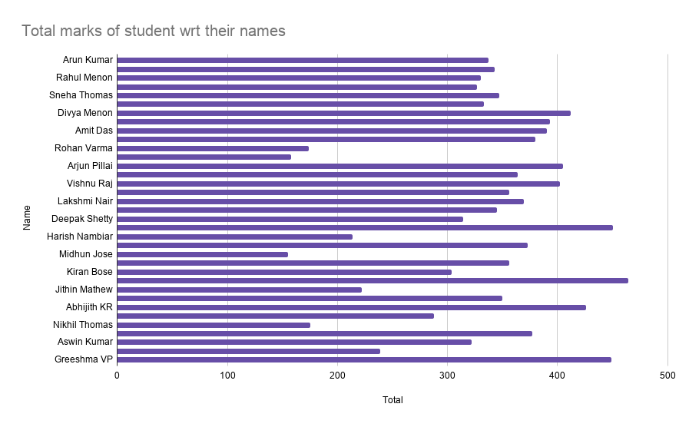
 |  | Sneha Thomas | 347
 |  | Meera Krishnan | 333
 |  | Divya Menon | 412
 |  | Sanjay Kumar | 393
 |  | Amit Das | 390
 |  | Ananya Iyer | 380
 |  | Rohan Varma | 174
 |  | Nithya Suresh | 158
 |  | Arjun Pillai | 405
 |  | Kavya Raj | 364
 |  | Vishnu Raj | 402
 |  | Akash Pillai | 356
 |  | Lakshmi Nair | 369
 |  | Pooja Nair | 345
 |  | Deepak Shetty | 314
 |  | Fathima Beevi | 450
 |  | Harish Nambiar | 214
 |  | Sreelakshmi P | 373
 |  | Midhun Jose | 155
 |  | Riya Chandran | 356
 |  | Kiran Bose | 304
 |  | Aishwarya Raj | 464
 |  | Jithin Mathew | 222
 |  | Parvathy Nair | 350
 |  | Abhijith KR | 426
 |  | Keerthi Menon | 288
 |  | Nikhil Thomas | 175
 |  | Swathy Das | 377
 |  | Aswin Kumar | 322
 |  | Renjith Raj | 239
 |  | Greeshma VP | 449
 | CHART 2:

 | Pivot table 2 is used to create this graph. A column graph is used to represent different data in a concise manner
 | This chart is used to identify which subject has the highest average score and which has the lowest. The average scores for Social Science and Malayalam were tied for the highest, while science had the lowest average score.

Avg score of each subject

 | CHART 3:

 | Pie graph is used here to represent the data in percentage form.
 | This chart shows us the exact percentage of students who failed. It also tells us how the majority of the students have passed their exams.

